Sheet1
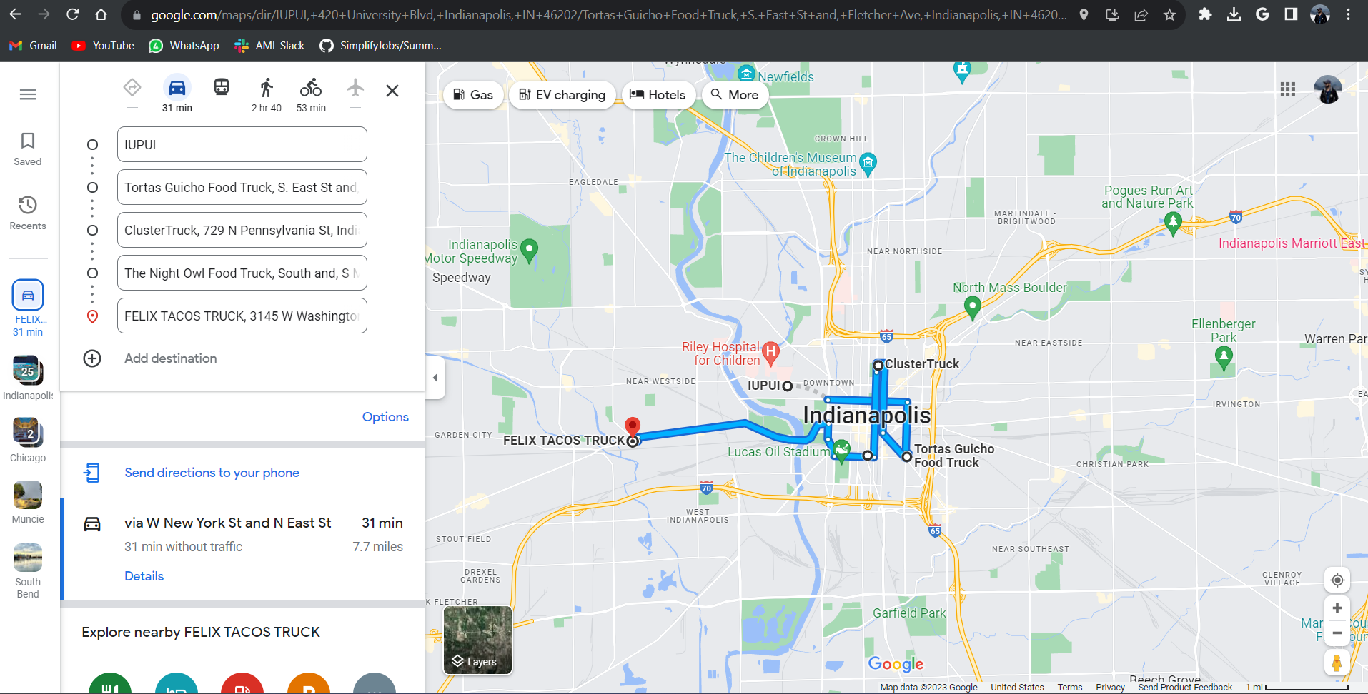
Time | name | address | Hours | Travel Time(mins) | Travel distance | Transportation Type | Cuisine
10:00:00 | Tortas Guicho Food Truck | S. East St and, Fletcher Ave, Indianapolis, IN 46204, United States | 8:00AM - 2:00PM | 7 | 1.7mi | Car | Mexican
14:00:00 | ClusterTruck | 729 N Pennsylvania St, Indianapolis, IN 46204, United States | 8:00AM - 10:00PM | 7 | 1.4mi | Car | American
20:30:00 | The Night Owl Food Truck | South and, S Meridian St, Indianapolis, IN 46225, United States | 8:30PM - 2:30AM | 5 | 1.2mi | Car | American
23:00:00 | FELIX TACOS TRUCK | 3145 W Washington St, Indianapolis, IN 46222, United States | 5:00PM - 12:00AM | 11 | 3.4mi | Car | Mexican

